Calculator
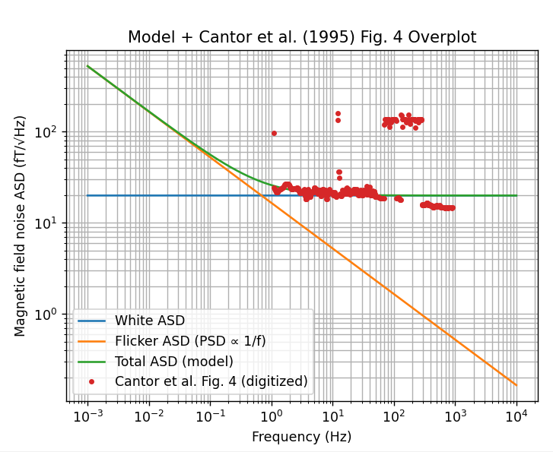
Gradiometer Noise Calculator

Inputs | 10 m gradiometer, SQUID | 1 km gradiometer flux gate | 10 m gradiometer, Flux gate | Coefficient lookup (from central-difference stencils)
Gradiometer length L [m] | 10 | 10000 | 10 | N | sum(c_i^2)
Number of sensors / points N | 2 | 2 | 2 | 1 | 1
Output quantity (gradient or difference) | gradient | gradient | gradient | 2 | 2
Required gradiometer RMS [pT/m if gradient, pT if difference] | 1 | 1 | 1 | 3 | 2
Band low f_low [Hz] |  |  |  | 5 | 14.444444444
Band high f_high [Hz] |  |  |  | 7 | 42.14
 |  |  |  | 9 | 87.22739229
Computed |  |  |  | 11 | 150.95518393
Lookup sum(c_i^2) from N
weight_sq_sum = output_variance / sensor_variance
Required sensor RMS [pT]
Bandwidth Delta_f [Hz]
ln(f_high/f_low)

Sensor Properties
Sensor | HTS SQUID | Fluxgate | Fluxgate
reference for noise | Cantor et al IEEE TRANSACTIONSON APPLIED SUPERCONDUCTIVITY, VOL. 5, NO. 2, JUNE 1995 | Kivelson Space Science Reviews (2023) 219:48 | Kivelson Space Science Reviews (2023) 219:48 |  |  | Kivelson Space Science Reviews (2023) 219:48
Sensor white noise [pT/ root Hz] | 0.020 | 50 | 50
sensor 1/f Noise at 1 Hz (pT/root Hz) | 0.022 | 100 | 100
Assume PSD(f) = K/f, ASD =SQRT(K/f)
K [pT^2]
Sensor RMS white noise over band [pT]
Sensor RMS 1/f noise over band [pT]

Ratio to required RMS
White noise RMS ratio
1/f RMS ratio

white noise requirements to get the required sensor RMS in band
White noise must be less than [pT/root Hz]
White noise at 1 Hz ratio <1
 |  |  |  |  |  | Kivelson Space Science Reviews (2023) 219:48
1/f noise requirements to get the required sensor RMS in band
K must be less than [pT^2]
K ratio ratio <1
1/f at 1 Hz must be less than
1/f @ 1Hz ratio <1

Notes:

- N lookup table is precomputed using solar_wind_functions.central_difference_coefficients.
- For N not in lookup, add rows in columns E:F (or set B12 manually).
- Band center frequencies are listed below each center-ASD pair.
- The 1/f ASD model: ASD(f) = SQRT(K/f), ASD is in pT/sqrt(Hz)., PSD = K/f [pT^2/Hz]
- Integrated 1/f RMS over [f_low, f_high]: RMS = (SQRT(K* LN(f_high/f_low)) [pT].

